Dummydata
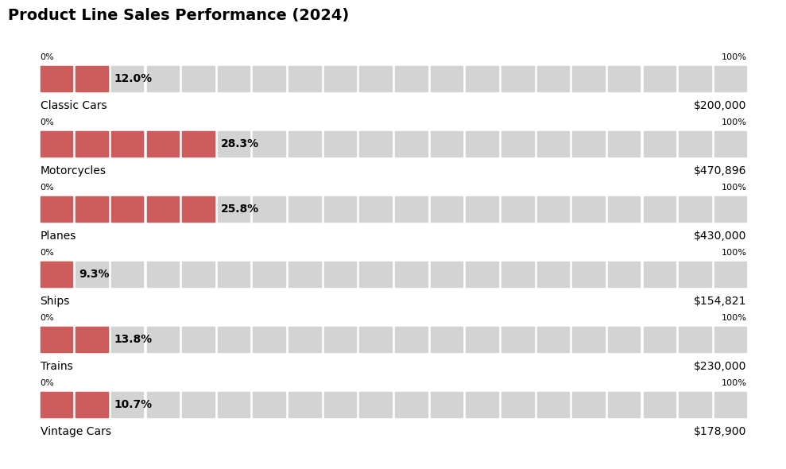
Product Line | Sales
Classic Cars | $200,000
Motorcycles | $470,896
Planes | $430,000
Ships | $154,821
Trains | $230,000
Vintage Cars | $178,900

